Branching Diagram
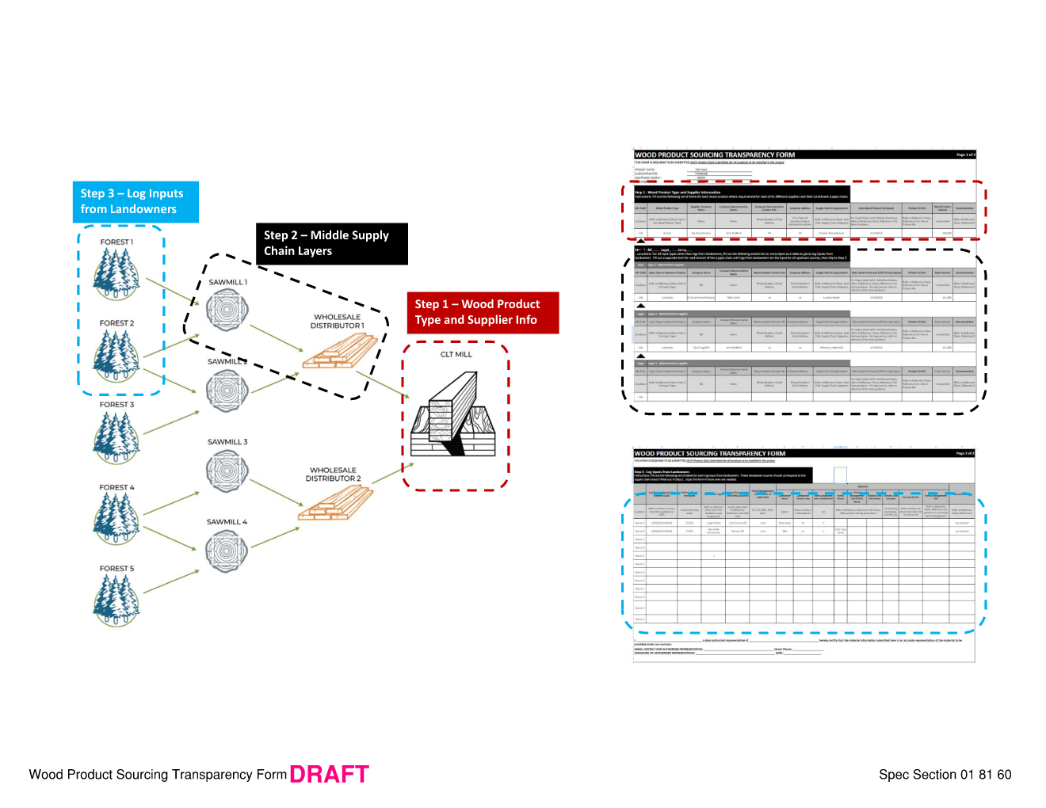
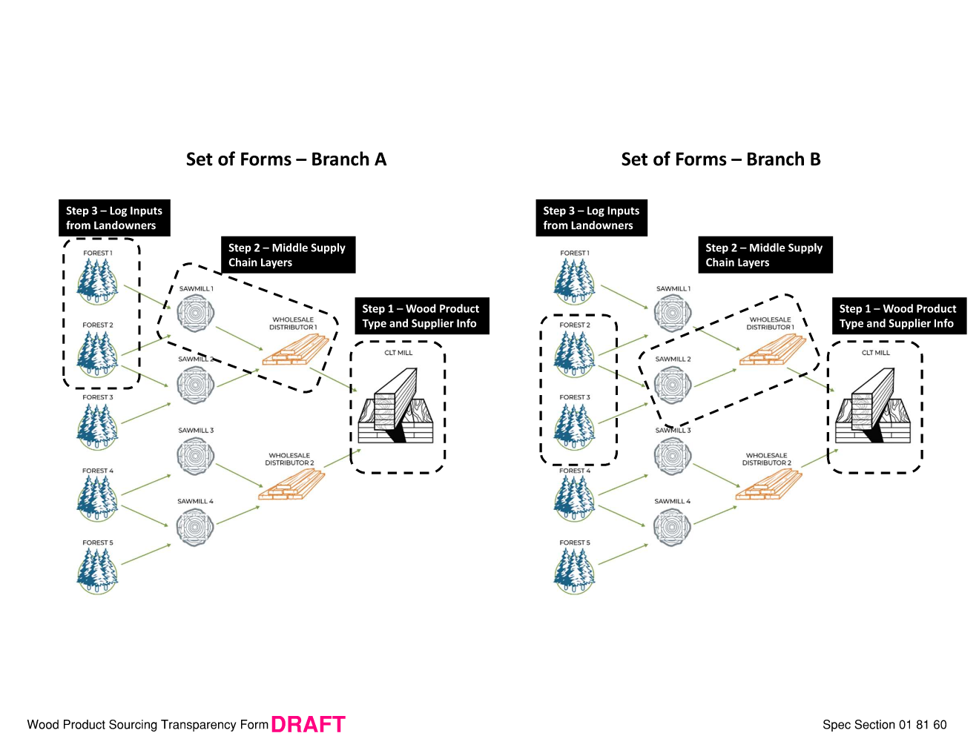
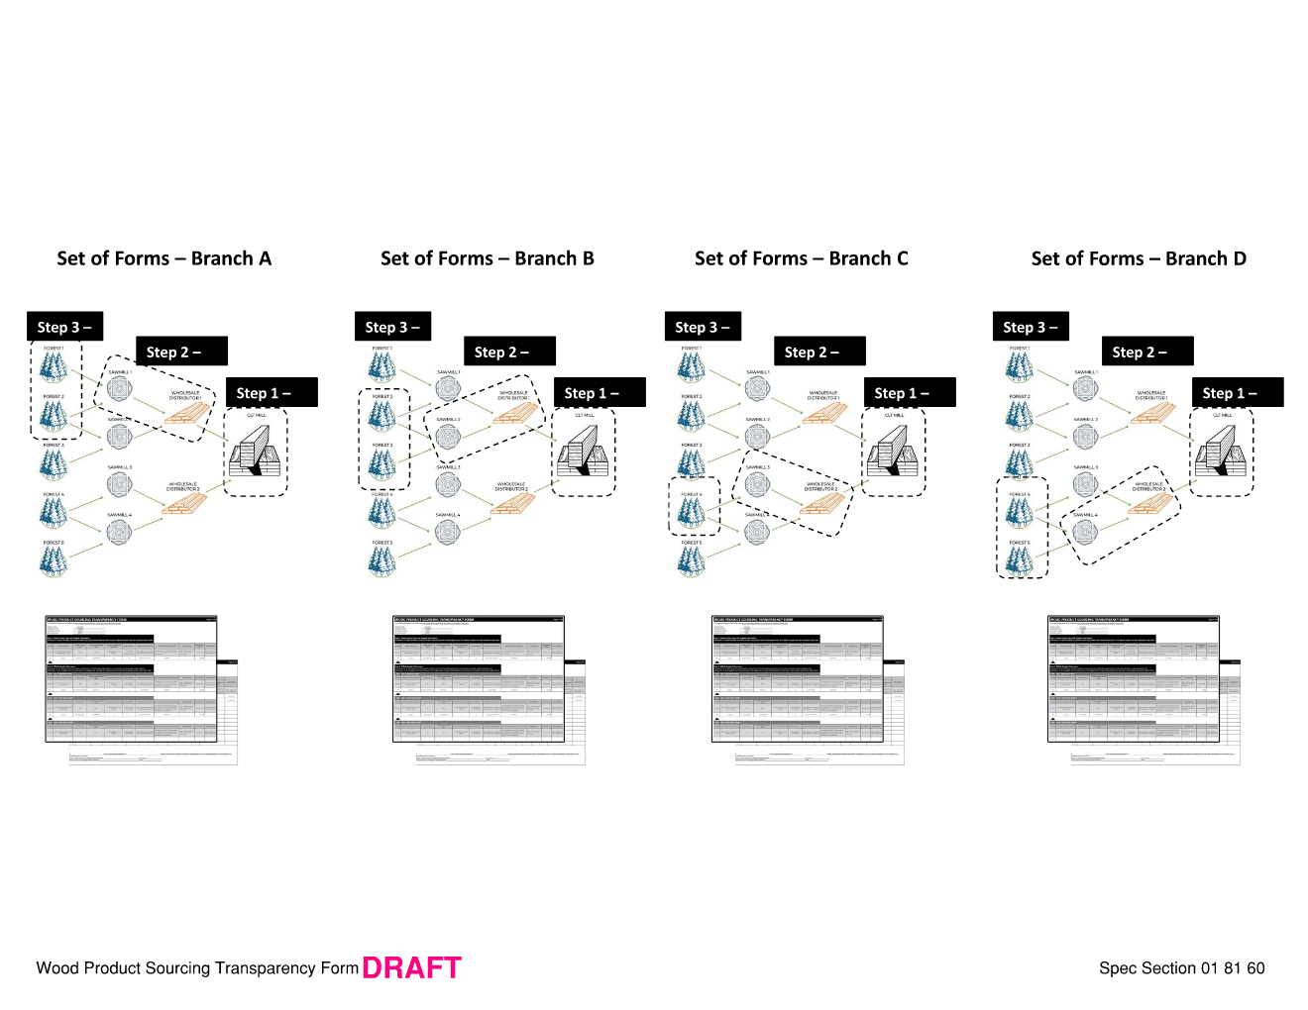
Visual Examples showing how forms relate back to supply chains and levels of transparency.
Note that multiple forms are needed for each distinct supply chain branch.

